Azure directory services
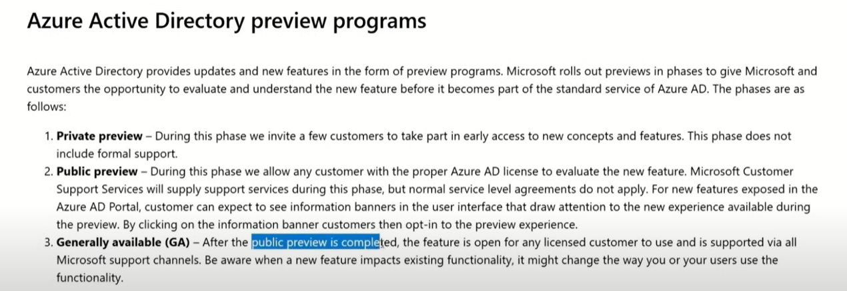
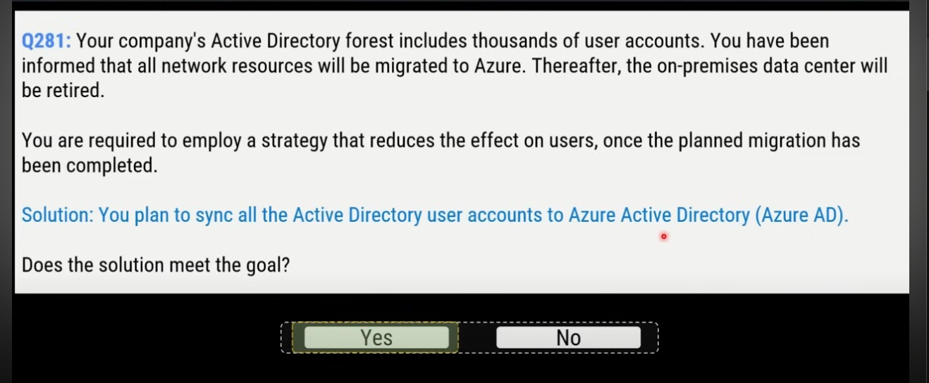
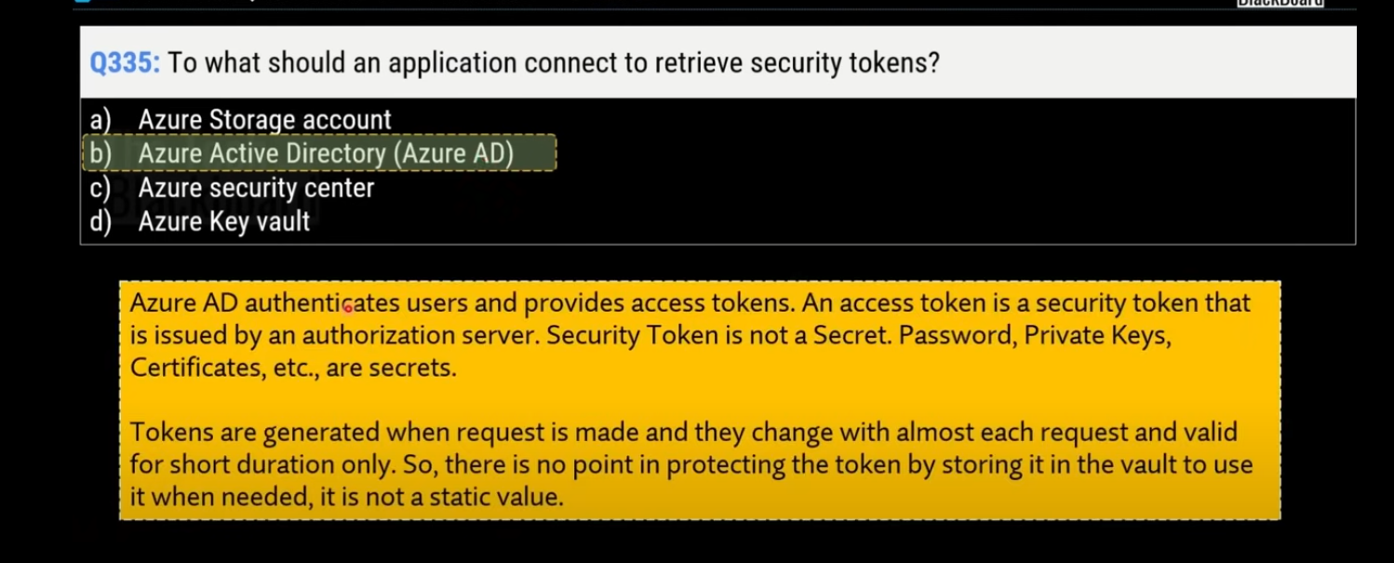
Active Directory (AD)
 | It runs on Windows Server and enables administrators to manage permissions and access to network resources.
 | Active Directory stores data as objects.
 | an object is a single element, such as a user, group, application or device such as a printer.

Microsoft Entra ID
 | directory service
 | enables you to sign in and access both Microsoft cloud applications and cloud applications that you develop
 | With Microsoft Entra ID, you control the identity accounts, but Microsoft ensures that the service is available globally

 | When you secure identities on-premises with Active Directory, Microsoft doesn't monitor sign-in attempts.
 | When you connect Active Directory with Microsoft Entra ID
 |  | Microsoft can help protect you by detecting suspicious sign-in attempts at no extra cost
 |  | For example, Microsoft Entra ID can detect sign-in attempts from unexpected locations or unknown devices.

Who uses Microsoft Entra ID?
 | IT administrators
 | App developers
 | Users
 | Online service subscribers

What does Microsoft Entra ID do?
 | Authentication
 |  | such as self-service password reset, multifactor authentication, a custom list of banned passwords, and smart lockout services.
 | Single sign-on
 |  | enables you to remember only one username and one password to access multiple applications.
 | Application management
 |  | manage your cloud and on-premises apps by using Microsoft Entra ID
 | Device management

Can I connect my on-premises AD with Microsoft Entra ID?
 | If you had an on-premises environment running Active Directory and a cloud deployment using Microsoft Entra ID, you would need to maintain two identity sets.
 | However, you can connect Active Directory with Microsoft Entra ID, using Microsoft Entra Connect
 | Microsoft Entra Connect synchronizes user identities between on-premises Active Directory and Microsoft Entra ID
 | Microsoft Entra Connect synchronizes changes between both identity systems
 | so you can use features like SSO, multifactor authentication, and self-service password reset under both systems.

Microsoft Entra Domain Services
 | Hỗ trợ LDAP, NTLM, và Kerberos
 | As you move on-premises applications into the cloud, those apps may use legacy authentication methods like NTLM or Kerberos or directory features like LDAP.
 | But, it's often too hard and cost prohibitive to update your application code to use native Azure AD Authentication methods.
 | To let your migrated apps work correctly in the cloud, you can deploy and run Azure AD Domain Services.
 | A Microsoft Entra Domain Services managed domain lets you run legacy applications in the cloud that can't use modern authentication methods

 | managed domain services—such as Windows Domain Join, group policy, LDAP, and Kerberos authentication—without having to deploy, manage, or patch domain controllers.

How does Microsoft Entra Domain Services work?
 | When you create a Microsoft Entra Domain Services managed domain, you define a unique namespace
 | This namespace is the domain name
 | Two Windows Server domain controllers are then deployed into your selected Azure region. This deployment of DCs is known as a replica set.
 | You don't need to manage, configure, or update these DCs.
 | The Azure platform handles the DCs as part of the managed domain, including backups and encryption at rest using Azure Disk Encryption.

Is information synchronized?
 | A managed domain is configured to perform a one-way synchronization from Microsoft Entra ID to Microsoft Entra Domain Services
 | You can create resources directly in the managed domain, but they aren't synchronized back to Microsoft Entra ID

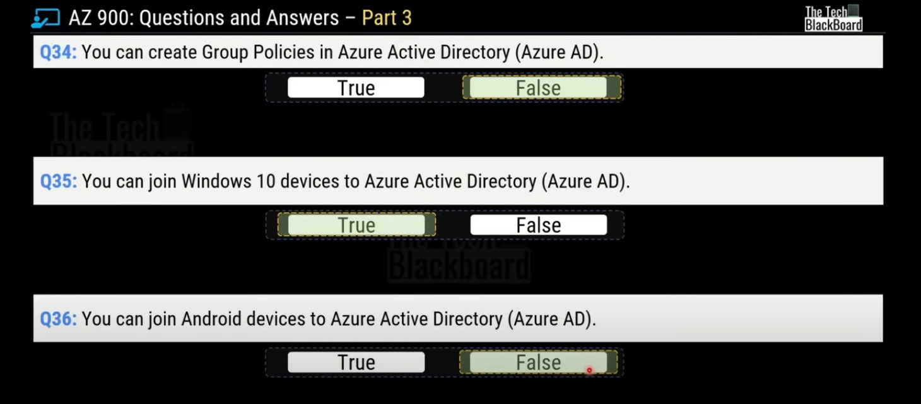

can create only on managed domain serviced by azure ad domain services for a single azure ad directory

Azure authentication methods

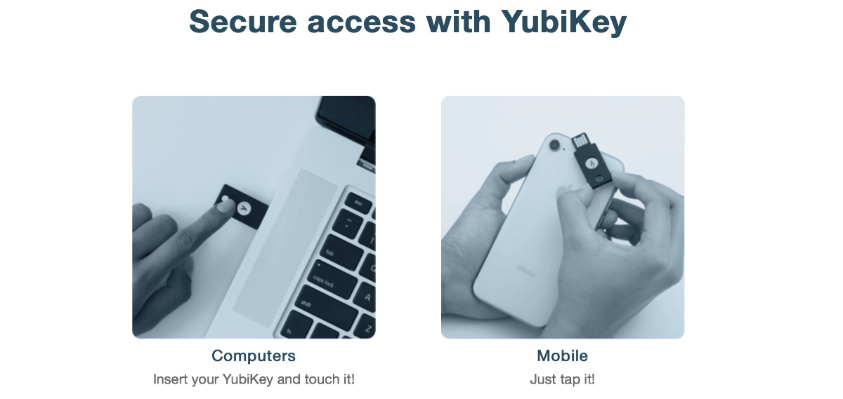
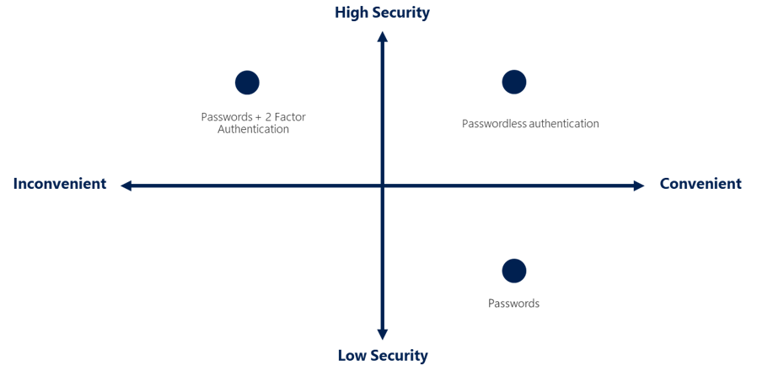

What’s multifactor authentication?

What's Microsoft Entra multifactor authentication?
 | enables users to choose an additional form of authentication during sign-in, such as a phone call or mobile app notification.

What’s passwordless authentication?
 | the password is removed and replaced with something you have, plus something you are, or something you know.

 | Windows Hello for Business
 |  | The biometric and PIN credentials are directly tied to the user's PC
 | Microsoft Authenticator App
 |  | allow your employee's phone to become a passwordless authentication method.
 |  | The Authenticator App turns any iOS or Android phone into a strong, passwordless credential
 |  | Users can sign-in to any platform or browser by getting a notification to their phone, matching a number displayed on the screen to the one on their phone, and then using their biometric (touch or face) or PIN to confirm.
 | FIDO2 security keys

Azure role-based access control
Azure role-based access control (Azure RBAC)
 | giống aws policies, user, group

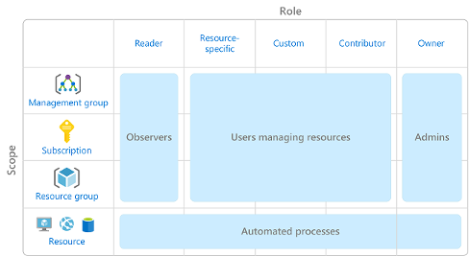

How is Azure RBAC enforced?

zero trust model
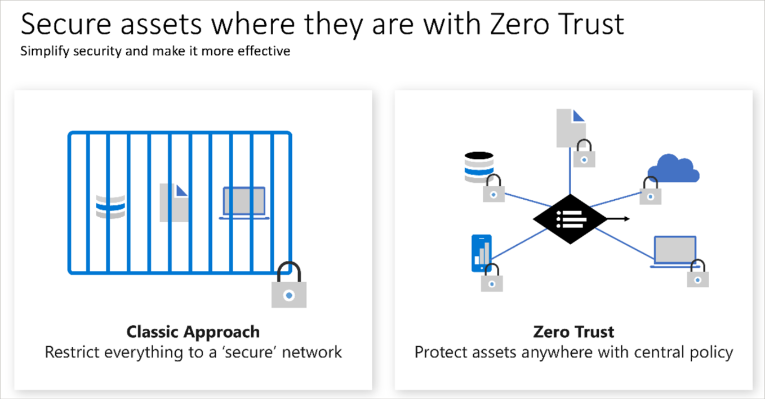
Zero Trust is a security model that assumes the worst case scenario and protects resources with that expectation.
Zero Trust assumes breach at the outset (giả định phạm vi ngay từ đầu), and then verifies each request as though it originated (bắt nguồn) from an uncontrolled network.

Adjusting to Zero Trust
 | Traditionally, corporate networks were restricted, protected, and generally assumed safe.
 | Only managed computers could join the network, VPN access was tightly controlled, and personal devices were frequently restricted or blocked.

 | with zero trust, Instead of assuming that a device is safe because it’s within the corporate network, it requires everyone to authenticate.
 | Then grants access based on authentication rather than location.

defense-in-depth
The objective of defense-in-depth is to protect information and prevent it from being stolen by those who aren't authorized to access it.
use several layers of protection to prevent information from being accessed or stolen by unauthorized users.

Layers of defense-in-depth

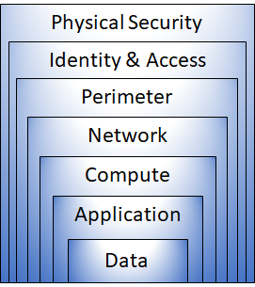
 | Physical security
 |  | protect computing hardware in the datacenter.

 | Identity and access
 |  | access is granted only to what's needed,
 |  | sign-in events and changes are logged.

 | Perimeter
 |  | Use DDoS protection to filter large-scale attacks before they can affect the availability of a system for users.
 |  | Use perimeter firewalls to identify and alert on malicious attacks against your network.

 | Network
 |  | limiting the network connectivity across all your resources to allow only what's required
 |  | By limiting this communication, you reduce the risk of an attack spreading to other systems in your network.

 | Compute
 |  | Secure access to virtual machines.

 | Application
 |  | Ensure that applications are secure and free of vulnerabilities.
 |  | Store sensitive application secrets in a secure storage medium.

 | DATA
 |  | controls access to data that you need to protect.

